BG101
Category | Label | value
BUG ID | ID Number | BG101
 | Project | EROOMRENT
 | Name | footer of eroomrent.in
 | Reporter | Shubham Ubnare
 | Submit Date | 2023-03-29
BUG OVERVIEW | Summary | logo of the eroomrent not proper alligned
 | URL | https://eroomrent.in
 | Screenshot | 
Environment | Platform | Windows
 | Operating System | 10
 | Browser | Chrome
 | Step to reproduce | EROOMRENT---> footer section---> site logo
Bug Details | Expected Result | site logo should be left aligned, contain image+text, "title attribute" and clickable that should navigate to home page.
 | Actual Result | NOT AS PER EXPECTED
 | Asssinged to | XYZ
Bug Tracking | Severity | MAJOR
 | Priority | HIGH

BG102
Category | Label | value
BUG ID | ID Number | BG102
 | Project | EROOMRENT
 | Name | vlogging social link
 | Reporter | Shubham Ubnare
 | Submit Date | 2023-03-29
BUG OVERVIEW | Summary | vlogger is not going to the right page when we click on the social link
 | URL | https://eroomrent.in
 | Screenshot | 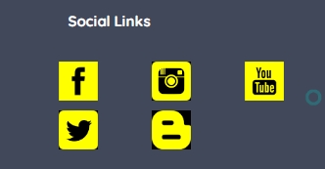
Environment | Platform | Windows
 | Operating System | 10
 | Browser | Chrome
 | Step to reproduce | EROOMRENT---> footer section---> social links----> vlogger icon
Bug Details | Expected Result | vlogger Socail media link should be clickable and move towards desire social media pages.
 | Actual Result | NOT AS PER EXPECTED
 | Asssinged to | XYZ
Bug Tracking | Severity | MAJOR
 | Priority | HIGH

